Sheet1
 | Example in text book
 | count | digit | value | total | conversion
 |  |  |  | 0 | 128
 | 1 | 1 | 128 | 128 | 64
 | 2 | 1 | 64 | 192 | 32
 | 3 | 0 | 0 | 192 | 16
 | 4 | 1 | 16 | 208 | 8
 | 5 | 1 | 8 | 216 | 4
 | 6 | 0 | 0 | 216 | 2
 | 7 | 1 | 2 | 218 | 1
 | 8 | 0 | 0 | 218
 |  |  |  | 218

 | q4 2022 paper
 | i | num | total
 |  | 10 | 0
 | 1 | 10 | 1 | 1
 | 2 | 10 | 3 | 1+2
 | 3 | 10 | 6 | 1+2+3
 | 4 | 10 | 10 | 1+2+3+4
 | 5 |  |  | 1+2+3+4+5

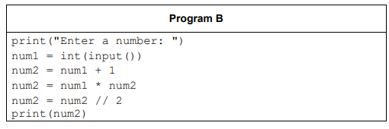
1 | num1 | num2 |  | num1 | num2
2 | 5 |  |  | 4
3 | 5 | 6 |  |  | 5
4 |  | 30 |  |  | 20
5 |  | 15 |  |  | 10

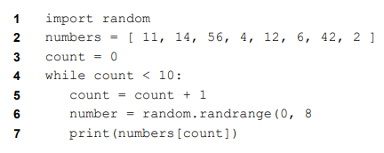
 | q5 2022 paper
count | numbers |  |  | number | output
0 | [11,14,56,4,12,6,42,2]
1 |  |  |  |  | 14
2 |  |  |  |  | 56
3 |  |  |  |  | 4
4 |  |  |  |  | 12

